intent_01
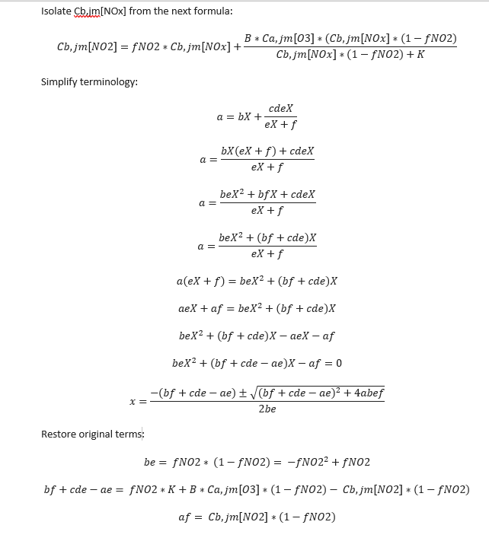
Cjm[NO2] | = | NO2 overlay | 5.13
Ca,jm[NO2] | = | constant | 0
Cb,jm[NO2] | = | Cjm[NO2] - Ca,jm[NO2] | 5.13 | ug/m3
fNO2 | = | constant | 0.07
B | = | constant | 0.6
Ca,jm[O3] | = | constant | 42
K | = | constant | 100
a [be] | = | fNO2 * (1- fNO2) #more info below | 0.0651
b [bf + cde - ae] | = | fNO2*K + B * Ca,jm[O3] * (1- fNO2) - Cb,jm[NO2]*(1-fNO2) #more info below | 27.4291
c [af] | = | Cb,jm[NO2] * (1 - fNO2) #more info below | 4.7709
Cb,jm[Nox] | = | (-b ± SQRT(b^2 + 4ac))/2a #more info below | 0.00073683722704 | ug/m3
Fk | = | constant | 0.62
Ɵ | = | assumed as constant | 0.165
Fmeteo | = | constant (can be changed on Tygron) | 1.8 | m/s
ENOx | = | Cb,jm[Nox] /(Fk*Ɵ*Fmeteo) | 0.0040015055232 | ug/m/s
ENO2 | = | ENOx * fNO2 | 0.00028010538662 | ug/m/s
Emissions | = | ENOx + ENO2 | 0.0042816109098 | ug/m/s
Road length | = | calculated using a python script | 8003 | m
Total emissions | = | Emissions * road length | 34.265732111 | ug/s

